Chapter 6 PA5
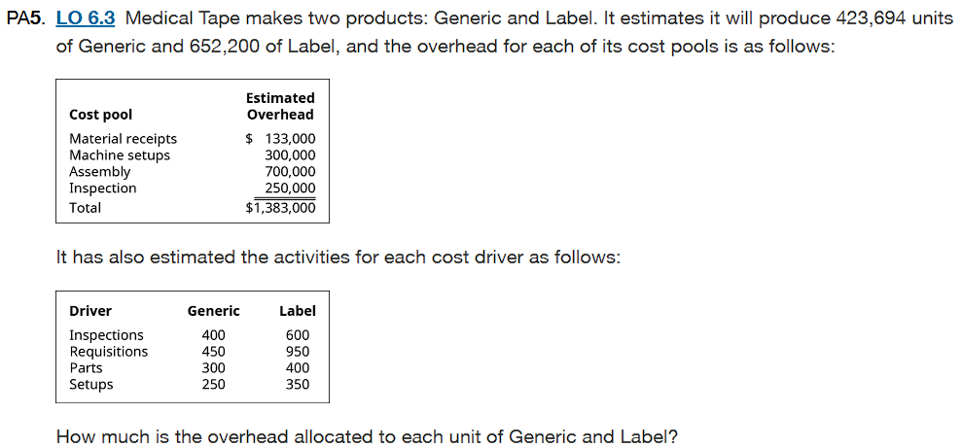

Activity Based costing is used to allocate overhead cost to each unit of generic and label products.
1. Input data
Cost Pool | Cost Driver | Overhead Cost | Generic | Label | 4. Overhead rate per unit of generic and label
Material receipts | Requistions | $133,000 | 450 | 950 |  | Generic | Label
Machine Setups | Setups | $300,000 | 250 | 350 | Overhead Cost | $567,750 | $815,250
Assembly | Parts | $700,000 | 300 | 400 | Divided: Units Production | 423,694 | 652,200
Inspection | Inspections | $250,000 | 400 | 600 | Overhead Rate per unit | $1.34 | $1.25

2. Overhead allocation can be done in this way |  |  |  |  | The overhead rate per unit of generic and label are $1.34 and $1.25, respectively.
Overhead Rate= Total Overhead Rate/ Cost Driver
Driver | Generic Activity | Label Activity | Rate/Activity
Material Receipt | 450 | 950 | 133000/1400=$95
Machine Setups | 250 | 350 | 300000/600= $500
Assembly | 300 | 400 | 700000/700=$1000
Inspections | 400 | 600 | 250000/1000=$250

3. Total Overhead cost Allocated for each product
For Generic
Cost Pool | Activity X Overhead Rate | Total
Material receipts | 450*95 | $42,750
Machine setup | 250*500 | $125,000
Assembly | 300*1000 | $300,000
Inspections | 400*250 | $100,000
Overhead Cost of Generic |  | $567,750

For Label
Cost Pool | Activity X Overhead Rate | Total
Material receipts | 950*95 | $90,250
Machine setup | 350*500 | $175,000
Assembly | 400*1000 | $400,000
Inspections | 600*250 | $150,000
Overhead Cost of Label |  | $815,250

Chapter 6 PA14
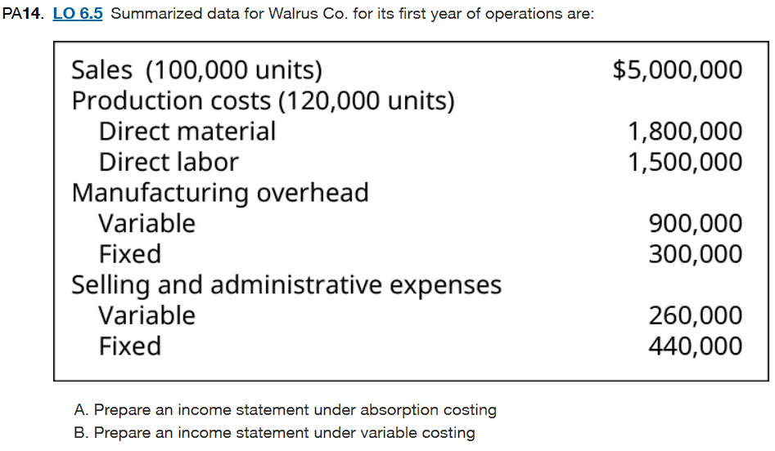

A. Absorption costing is a technique that is used by managers in pricing products |  |  |  | B. Variable Costing is inlcudes only variable manufacturing OH as part of product cost
It includes the variable and fixed manufacturing overhead |  |  |  | The fixed MOH is period cost
Given: |  |  | <<--- | We use the same given table values
Sales | $5,000,000 |  |  | 1. % of Units sold over units produced
DM | $1,800,000 |  |  | % of units sold= No. of units sold/ No. of units produced
DL | $1,500,000 |  |  | % of units sold= 100,000/120,000= 83.33%
Variable Manufacturing Overhead | $900,000
Fixed manufacturing overhead | $300,000 |  |  | 2. Cost of Goods sold
Variable Selling & admin | $260,000 |  |  |  | Total cost X % of units sold
Fixed selling & admin | $440,000 |  |  | DM | $1,800,00*83.33%=$1,500,000
Total Number of units Produced is 120,000 |  |  |  | DL | $1,500,000*83.33%=$1,250,000
Total Number of units sold is 100,000 |  |  |  | Variable MOH | $900,000*83.33%= $750,000

1. Percentage of Units sold= No. units sold/No. units produced |  |  |  | Since we are using variable costing for Income statement, only the variable MOH is included, the fixed MOH is a part of period cost
Percentage of Units sold= 100,000/120,000= 83.33%
 |  |  |  | 3. Income Statement
2. Cost of Goods sold |  |  |  | Income Statement
 | Total Cost *% of Units sold |  |  | Walrus Co.
DM | $1,800,000*83.33%=$1,500,000 |  |  | Variable Costing income statement
DL | $1,500,000*83.33%=$1,250,000 |  |  | For the year ended December 31
Variable Manufacturing Overhead | $900,000*83.33%=$750,000 |  |  | Sales |  | $5,000,000
Fixed manufacturing Overhead | $300,000*83.33%= $250,000 |  |  | Less: COGS
 |  |  |  | DM | $1,500,000
3. Income Statement |  |  |  | DL | $1,250,000
Now all the manufacturing overhead will be included as part of product cost |  |  |  | Variable MOH | $750,000 | ($3,500,000)
Income Statement |  |  |  | Contribution Margin |  | $1,500,000
Walrus Co |  |  |  | Less: Period Cost
Absorption Costing income Statement |  |  |  | Fixed MOH | $300,000
For the year ended December 31 |  |  |  | Variable Selling & Admin | $260,000
Sales |  | $5,000,000 |  | Fixed selling & Admin | $440,000 | ($1,000,000)
Less: Cost of goods sold |  |  |  | Net Income |  | $500,000
DM | $1,500,000
DL | $1,250,000
Variable manufacturing overhead | $750,000
Fixed Manufacturing overhead | $250,000 | ($3,750,000)
Gross Income |  | $1,250,000
Less: Period Cost
Variable selling & admin | $260,000
Fixed selling & admin | $440,000 | ($700,000)
Net Income |  | $550,000

